data
x_axis | y_axis
2006 | 0.023560209424
2007 | 0.028795811518
2008 | 0.031413612565
2009 | 0.034031413613
2010 | 0.039267015707
2011 | 0.044502617801
2012 | 0.047120418848
2013 | 0.049738219895
2014 | 0.05497382199
2015 | 0.060209424084
2016 | 0.065445026178
2017 | 0.068062827225
2018 | 0.073298429319
2019 | 0.078534031414
2020 | 0.081151832461
2021 | 0.086387434555
2022 | 0.091623036649
2023 | 0.096858638743
2024 | 0.10209424084
2025 | 0.10732984293
2026 | 0.10994764398
2027 | 0.11518324607
2028 | 0.11780104712
2029 | 0.12303664921
2030 | 0.12565445026
2031 | 0.1335078534
2032 | 0.1387434555
2033 | 0.14136125654
2034 | 0.14659685864
2035 | 0.15183246073
2036 | 0.15706806283
2037 | 0.15968586387
2038 | 0.16492146597
2039 | 0.17015706806
2040 | 0.17539267016
2041 | 0.18062827225
2042 | 0.1832460733
2043 | 0.18848167539
2044 | 0.19371727749
2045 | 0.19895287958
2046 | 0.20157068063
2047 | 0.20942408377
2048 | 0.21204188482
2049 | 0.21727748691
2050 | 0.22251308901
2051 | 0.2277486911
2052 | 0.23036649215
2053 | 0.23560209424
2054 | 0.24083769634
2055 | 0.24607329843
2056 | 0.24869109948
2057 | 0.25392670157
2058 | 0.26178010471
2059 | 0.26439790576
2060 | 0.26963350785
2061 | 0.2722513089
2062 | 0.27748691099
2063 | 0.28272251309
2064 | 0.28795811518
2065 | 0.29319371728
2066 | 0.29581151832
2067 | 0.30366492147
2068 | 0.30628272251
2069 | 0.31151832461
2070 | 0.3167539267
2071 | 0.31937172775
2072 | 0.32722513089
2073 | 0.33246073298
2074 | 0.33507853403
2075 | 0.33769633508
2076 | 0.34293193717
2077 | 0.34554973822
2078 | 0.35078534031
2079 | 0.35602094241
2080 | 0.3612565445
2081 | 0.36387434555
2082 | 0.36910994764
2083 | 0.37434554974
2084 | 0.37696335079
2085 | 0.38219895288
2086 | 0.38743455497
2087 | 0.39267015707
2088 | 0.39528795812
2089 | 0.40052356021
2090 | 0.4057591623
2091 | 0.40837696335
2092 | 0.41361256545
2093 | 0.41884816754
2094 | 0.42408376963
2095 | 0.42670157068
2096 | 0.43193717277
2097 | 0.43717277487

picture
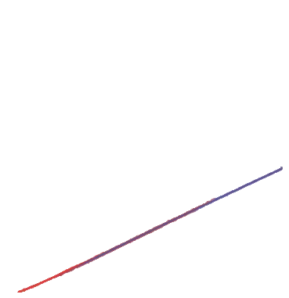

picture_original
